Sheet1
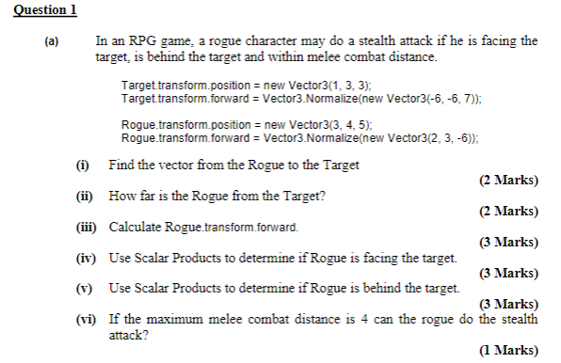

(i)
Target | 1 | 3 | 3
Rogue | 3 | 4 | 5
Rogue to Target | -2 | -1 | -2

(ii) | 3 | (Magnitude of Rogue to Target)

(iii) | 2 | 3 | -6 |  | Magnitude |  | 7

Ans | 0.28571428571 | 0.42857142857 | -0.85714285714 |  |  |  | 1

(iv) | Scalar Dot
 | Rogue to Target |  | and | Rogue Forward

 | -2 | -1 | -2 | * | 2 | 3 | -6

 | 5 | >0 | Yes

(v) | Scalar Dot
 | Rogue to Target |  | and | Target Forward

 | -2 | -1 | -2 | * | -6 | -6 | 7

 | 4 | >0 | Yes
(vi) | distance 3 |  | <4
 | Facing yes
 | Behind yes

 | Ans Yes

(i) | s = u t
 | v = u + a t
 | F = m a

(ii)
 | velocity += acceleration * Time.deltaTime;
 | transform.position += velocity * Time.deltaTime;

(iii) | acceleration += 9.8 * Vector3.down;
 | acceleration -= k * velocity;

